Descriptive stats
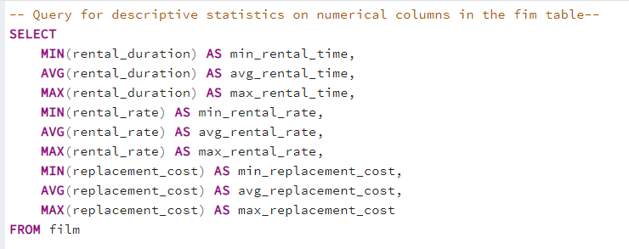
-- Query for descriptive statistics on numerical columns in the fim table--

SELECT
 | MIN(rental_duration) AS min_rental_time,
 | AVG(rental_duration) AS avg_rental_time,
 | MAX(rental_duration) AS max_rental_time,
 | MIN(rental_rate) AS min_rental_rate,
 | AVG(rental_rate) AS avg_rental_rate,
 | MAX(rental_rate) AS max_rental_rate,
 | MIN(replacement_cost) AS min_replacement_cost,
 | AVG(replacement_cost) AS avg_replacement_cost,
 | MAX(replacement_cost) AS max_replacement_cost
FROM film

Top10Countries
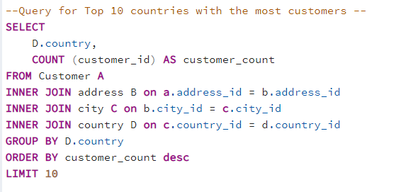
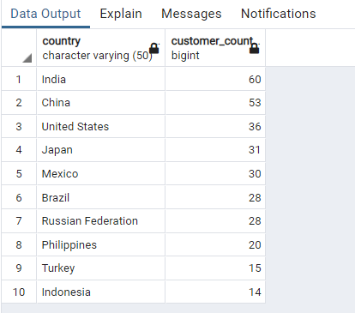
--Query for Top 10 countries with the most customers --

SELECT
 | D.country,
 | COUNT (customer_id) AS customer_count
FROM Customer A
INNER JOIN address B on a.address_id = b.address_id
INNER JOIN city C on b.city_id = c.city_id
INNER JOIN country D on c.country_id = d.country_id
GROUP BY D.country
ORDER BY customer_count desc
LIMIT 10

Top10Cities
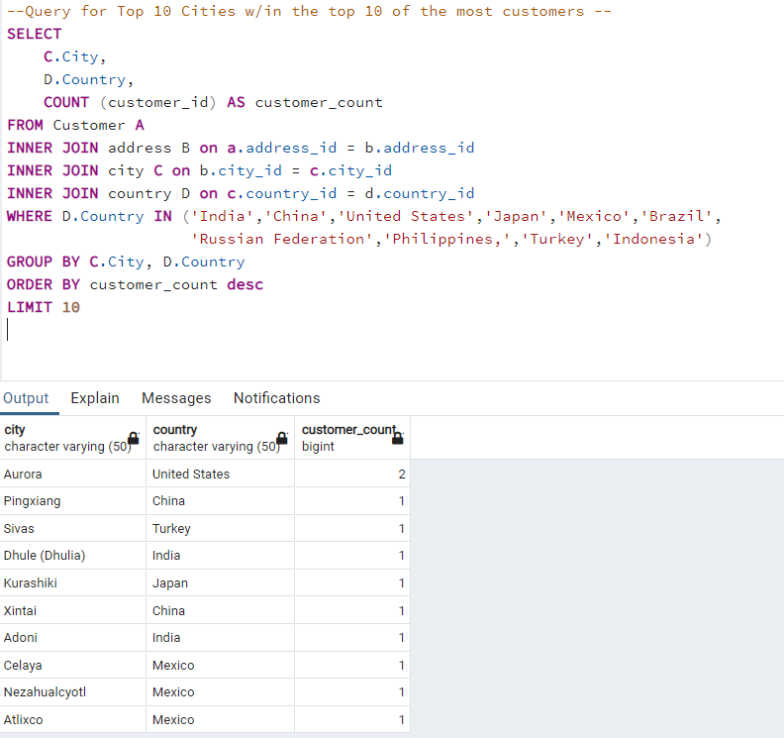
--Query for Top 10 Cities w/in the top 10 of the most customers --

SELECT
 | C.City,
 | D.Country,
 | COUNT (customer_id) AS customer_count
FROM Customer A
INNER JOIN address B on a.address_id = b.address_id
INNER JOIN city C on b.city_id = c.city_id
INNER JOIN country D on c.country_id = d.country_id
WHERE D.Country IN ('India','China','United States','Japan','Mexico','Brazil',
 |  | 'Russian Federation','Philippines,','Turkey','Indonesia')
GROUP BY C.City, D.Country
ORDER BY customer_count desc
LIMIT 10

Top 10 Movies
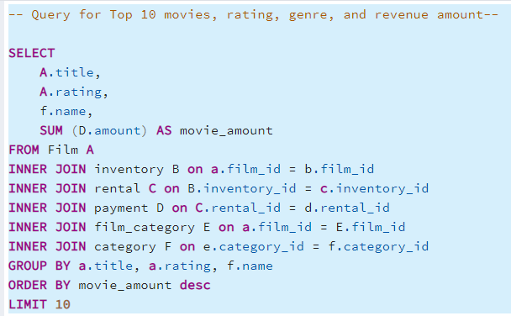
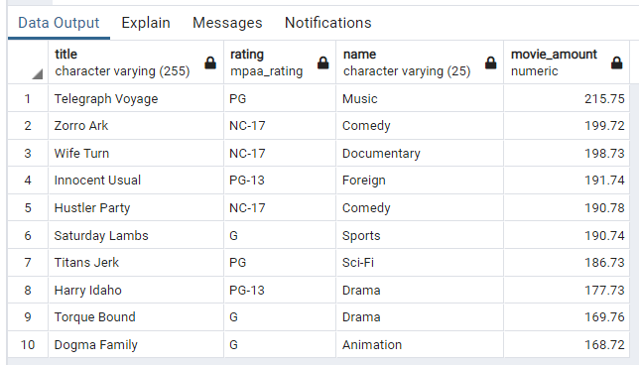
-- Query for Top 10 movies -- |  | -- Query for Top 10 movies, rating, genre, and revenue amount--

SELECT A.title, |  | SELECT
 | SUM (d.amount) AS movie_amount |  | A.title,
FROM Film A |  |  | A.rating,
INNER JOIN inventory B on a.film_id = b.film_id |  |  | f.name,
INNER JOIN rental C on B.inventory_id = c.inventory_id |  |  | SUM (D.amount) AS movie_amount
INNER JOIN payment D on C.rental_id = d.rental_id |  | FROM Film A
GROUP BY a.title |  | INNER JOIN inventory B on a.film_id = b.film_id
ORDER BY movie_amount desc |  | INNER JOIN rental C on B.inventory_id = c.inventory_id
LIMIT 10 |  | INNER JOIN payment D on C.rental_id = d.rental_id
 |  | INNER JOIN film_category E on a.film_id = E.film_id
 |  | INNER JOIN category F on e.category_id = f.category_id
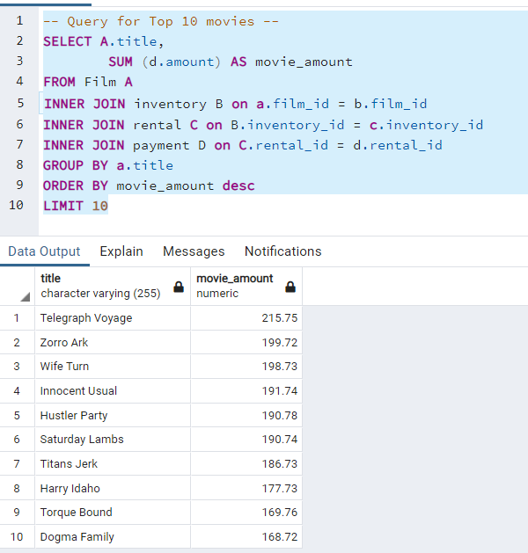
 |  | GROUP BY a.title, a.rating, f.name
 |  | ORDER BY movie_amount desc
 |  | LIMIT 10

Bottom 10 Movies
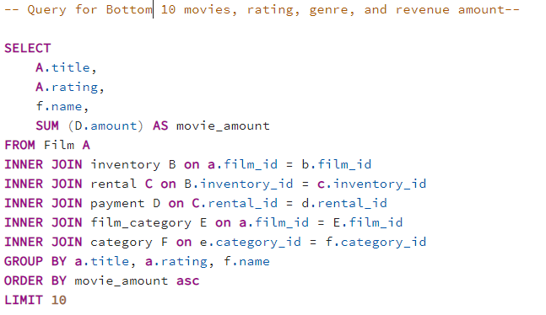
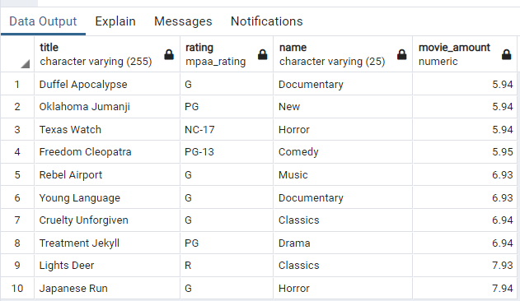
-- Query for Bottom 10 movies -- |  | -- Query for Bottom 10 movies, rating, genre, and revenue amount--

SELECT A.title, |  | SELECT
 | SUM (d.amount) AS movie_amount |  | A.title,
FROM Film A |  |  | A.rating,
INNER JOIN inventory B |  |  | f.name,
 | ON a.film_id = b.film_id |  | SUM (D.amount) AS movie_amount
INNER JOIN rental C |  | FROM Film A
 | ON B.inventory_id = c.inventory_id | INNER JOIN inventory B on a.film_id = b.film_id
INNER JOIN payment D |  | INNER JOIN rental C on B.inventory_id = c.inventory_id
 | ON C.rental_id = d.rental_id | INNER JOIN payment D on C.rental_id = d.rental_id
GROUP BY a.title |  | INNER JOIN film_category E on a.film_id = E.film_id
ORDER BY movie_amount asc |  | INNER JOIN category F on e.category_id = f.category_id
LIMIT 10 |  | GROUP BY a.title, a.rating, f.name
 |  | ORDER BY movie_amount asc
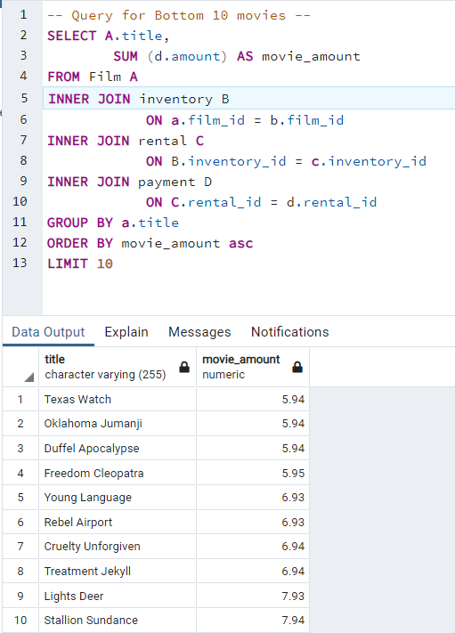
 |  | LIMIT 10

Revenue by Genre
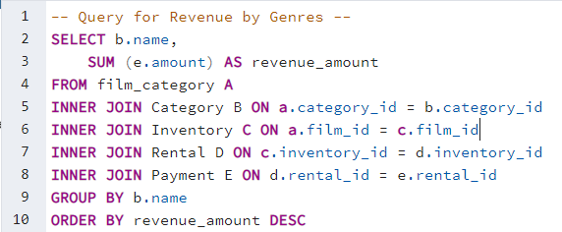
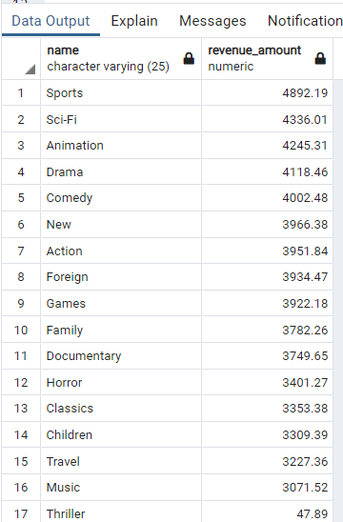
-- Query for Revenue by Genres --

SELECT b.name,
 | SUM (e.amount) AS revenue_amount
FROM film_category A
INNER JOIN Category B ON a.category_id = b.category_id
INNER JOIN Inventory C ON a.film_id = c.film_id
INNER JOIN Rental D ON c.inventory_id = d.inventory_id
INNER JOIN Payment E ON d.rental_id = e.rental_id
GROUP BY b.name
ORDER BY revenue_amount DESC

Top5Customers
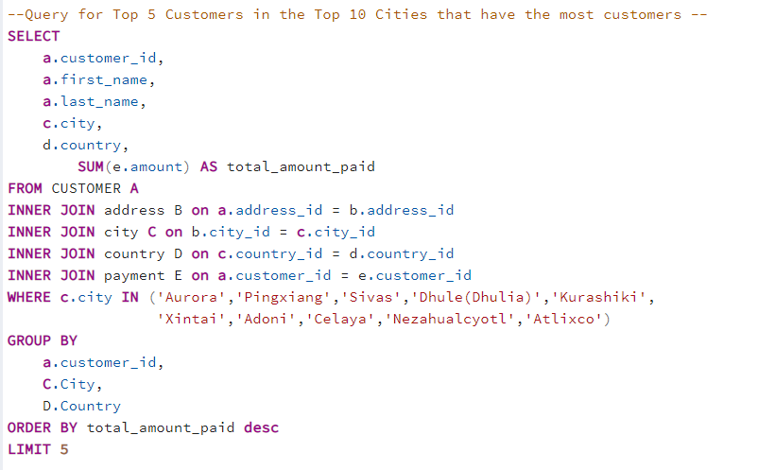
--Query for Top 5 Customers in the Top 10 Cities that have the most customers --

SELECT
 | a.customer_id,
 | a.first_name,
 | a.last_name,
 | c.city,
 | d.country,
 |  | SUM(e.amount) AS total_amount_paid
FROM CUSTOMER A
INNER JOIN address B on a.address_id = b.address_id
INNER JOIN city C on b.city_id = c.city_id
INNER JOIN country D on c.country_id = d.country_id
INNER JOIN payment E on a.customer_id = e.customer_id
WHERE c.city IN ('Aurora','Pingxiang','Sivas','Dhule(Dhulia)','Kurashiki',
 |  |  | 'Xintai','Adoni','Celaya','Nezahualcyotl','Atlixco')
GROUP BY
 | a.customer_id,
 | C.City,
 | D.Country
ORDER BY total_amount_paid desc
LIMIT 5

Top 10Customers Globally
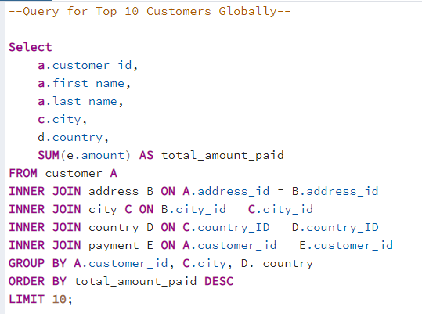
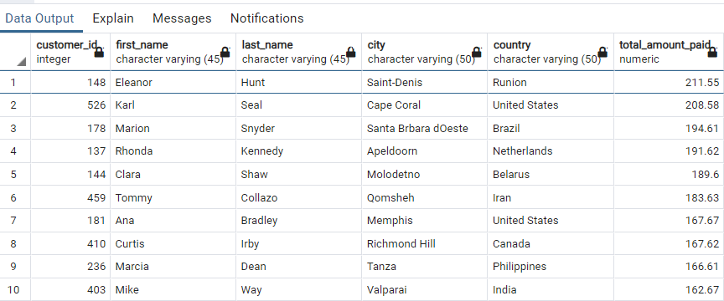
--Query for Top 10 Customers Globally--

Select
 | a.customer_id,
 | a.first_name,
 | a.last_name,
 | c.city,
 | d.country,
 | SUM(e.amount) AS total_amount_paid
FROM customer A
INNER JOIN address B ON A.address_id = B.address_id
INNER JOIN city C ON B.city_id = C.city_id
INNER JOIN country D ON C.country_ID = D.country_ID
INNER JOIN payment E ON A.customer_id = E.customer_id
GROUP BY A.customer_id, C.city, D. country
ORDER BY total_amount_paid DESC
LIMIT 10;

Revenue by Rating
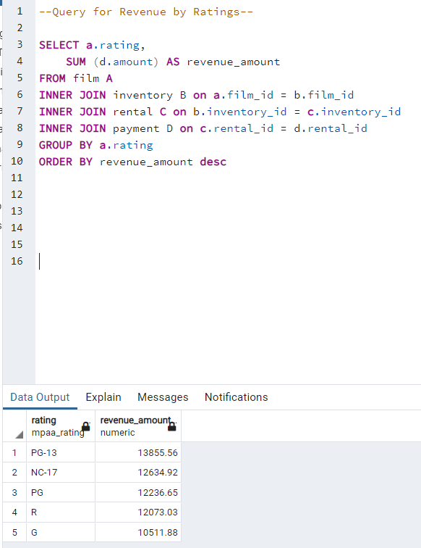
--Query for Revenue by Ratings--

SELECT a.rating,
 | SUM (d.amount) AS revenue_amount
FROM film A
INNER JOIN inventory B on a.film_id = b.film_id
INNER JOIN rental C on b.inventory_id = c.inventory_id
INNER JOIN payment D on c.rental_id = d.rental_id
GROUP BY a.rating
ORDER BY revenue_amount desc

Global_Customer_Revenue
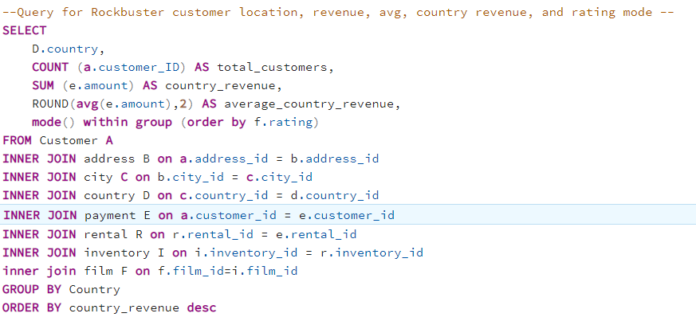
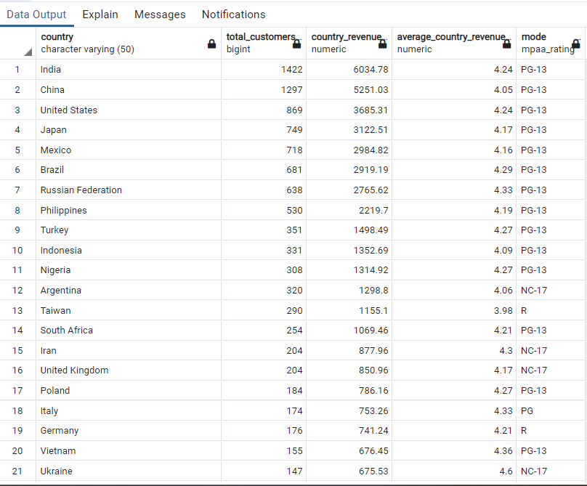
--Query for Rockbuster customer location, revenue, avg, country revenue, and rating mode --
SELECT
 | D.country,
 | COUNT (a.customer_ID) AS total_customers,
 | SUM (e.amount) AS country_revenue,
 | ROUND(avg(e.amount),2) AS average_country_revenue,
 | mode() within group (order by f.rating)
FROM Customer A
INNER JOIN address B on a.address_id = b.address_id
INNER JOIN city C on b.city_id = c.city_id
INNER JOIN country D on c.country_id = d.country_id
INNER JOIN payment E on a.customer_id = e.customer_id
INNER JOIN rental R on r.rental_id = e.rental_id
INNER JOIN inventory I on i.inventory_id = r.inventory_id
inner join film F on f.film_id=i.film_id
GROUP BY Country
ORDER BY country_revenue desc

